Ark1
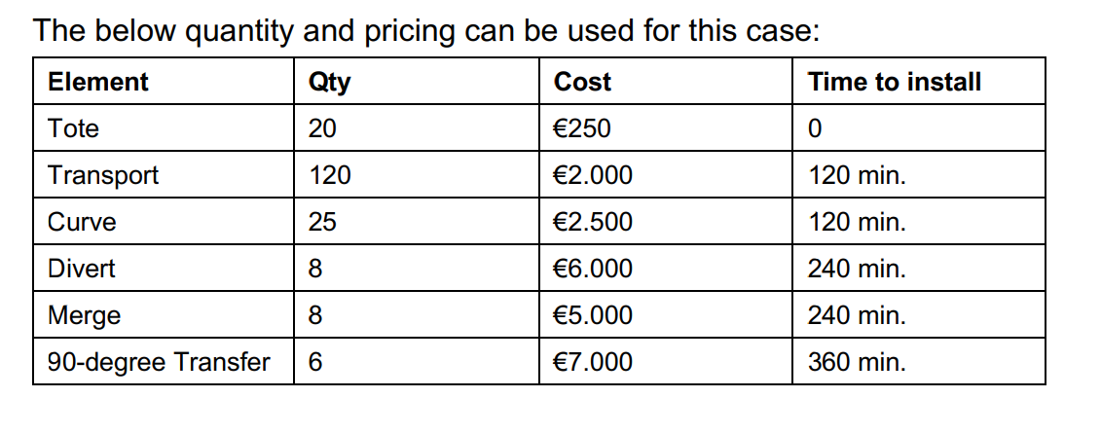
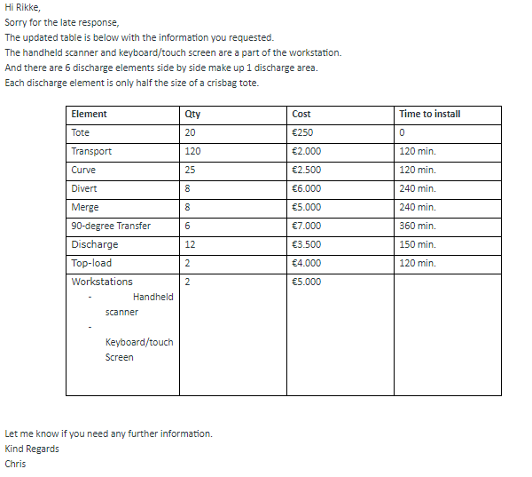

 |  |  |  | Month | 30
Element | Qty | Cost | Time to install (minutes)
Tote | 20 | € 250.00 | 0 | SW Developer |  | SW Architect + project manager | Commissioner
Transport | 120 | € 2,000.00 | 120
Curve | 25 | € 2,500.00 | 120 | 22.5 |  | 22 | 17
Divert | 8 | € 6,000.00 | 240
Merge | 8 | € 5,000.00 | 240 | 3.375
90-degree Transfer | 6 | € 7,000.00 | 360 | 2.25
Discharge | 12 | € 3,500.00 | 240 | € 56,953.13 |  | € 49,500.00 | € 38,250.00
Top-load | 2 | € 4,000.00 | 240
Workstations | 2 | € 5,000.00 | 0 | € 144,703.13

Total | € 642,203.13

Minutes to install | 27162
Hours to install | 452.70
Days to install | 56.59
Months to install | 2.83

